100 Years Bauhaus Order Form


 | 1. Fill out the details below.
 | 2. Input your desired order quantities.
 | 3. Email it back to "orders@leuchtturm1917.com.au".
 | Call 02 9695 7055 if you need any assistance.

 | Name/Company:

 | Street:

 | City/Zip Code:

 | Customer #:

 | Telephone #:

 | VAT #:

100 Years Bauhaus (mininum order of $300)
Status | Product |  | Item Code | EAN | Image | RRP per piece | Wholesale Price per piece GST. Inc. (50% OFF RRP) | Order Qty (Input in cells) | Line Total
Available Now! | Bauhaus Notebook A5 | Black | 359617 | 4004117551222 |  | $43.95 | $21.98 | 0 | $0.00
 |  | Red | 359619 | 4004117551246 |  | $43.95 | $21.98 | 0 | $0.00
 |  | Lemon | 359620 | 4004117551253 |  | $43.95 | $21.98 | 0 | $0.00
 |  | Royal Blue | 359618 | 4004117551239 |  | $43.95 | $21.98 | 0 | $0.00
Available Now! | Bauhaus Notebook A4+ | Royal Blue | 359866 | 4004117553639 |  | $64.95 | $32.48 | 0 | $0.00
Releasing end of June - Pre-Order Now! | Bauhaus Pencil | Black | 359779 | 4004117552748 |  | $3.50 | $1.75 | 0 | $0.00
 |  | Red | 359781 | 4004117552762 |  | $3.50 | $1.75 | 0 | $0.00
 |  | Lemon | 359782 | 4004117552779 |  | $3.50 | $1.75 | 0 | $0.00
 |  | Royal Blue | 359780 | 4004117552755 |  | $3.50 | $1.75 | 0 | $0.00
Releasing end of June - Pre-Order Now! | Bauhaus Pen Loops | Black | 359771 | 4004117552700 |  | $6.75 | $3.38 | 0 | $0.00
 |  | Red | 359773 | 4004117552724 |  | $6.75 | $3.38 | 0 | $0.00
 |  | Lemon | 359774 | 4004117552731 |  | $6.75 | $3.38 | 0 | $0.00
 |  | Royal Blue | 359772 | 4004117552717 |  | $6.75 | $3.38 | 0 | $0.00
 |  |  |  |  |  |  |  | Total Wholesale Price (GST Inc.) (Freight exc.) | $0.00

100 Years Bauhaus FREE Display Stand Offer (Call 02 9695 7055 or email for more info)
Status | Product |  | Image |  |  | RRP per piece | Wholesale Stock Price (53.42% OFF RRP) (GST + Freight inc) | Stand Price (LIMITED TIME ONLY) | Order Qty | Line Total

Releasing end of June - Pre-Order Now! | Display Stand (FULLY STOCKED) | Small (Holds 20 Notebooks) | 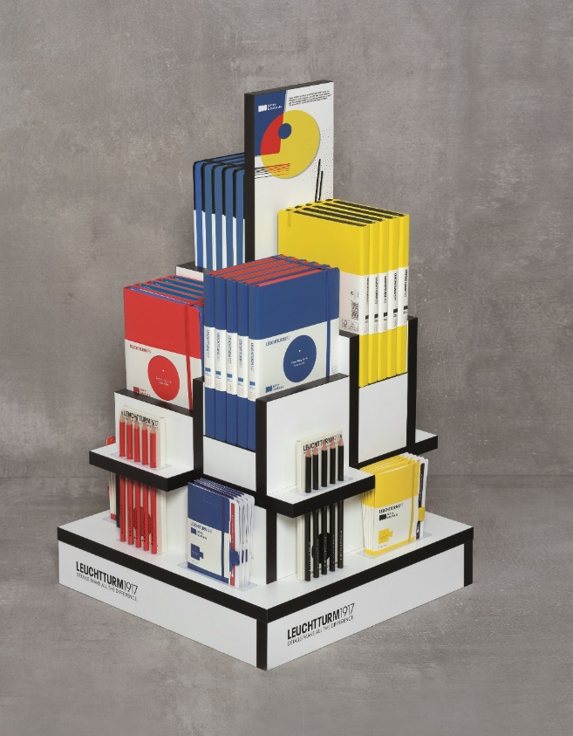 |  |  | $2,232.90 | $1,040.00 | FREE | 0 | $0.00
 |  | Large (Holds 40 Notebooks) | 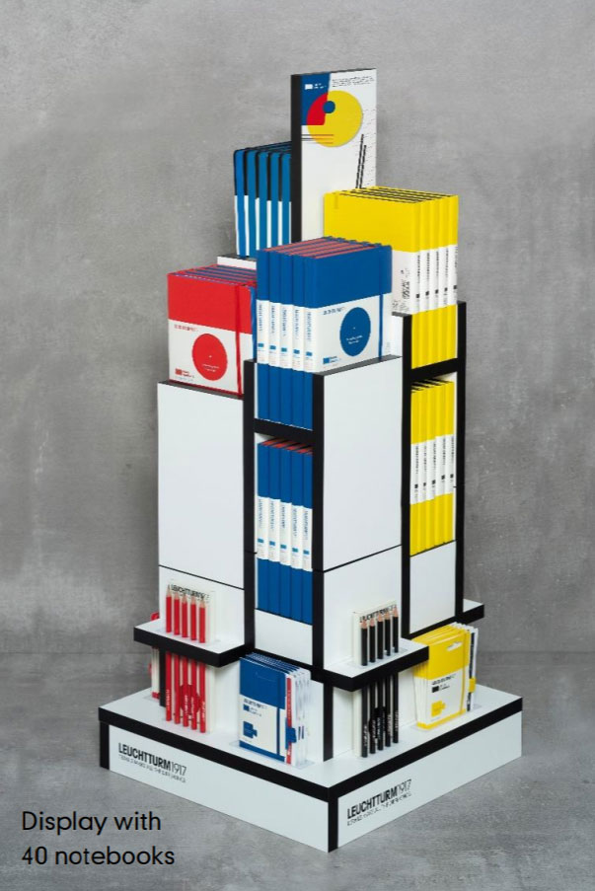 |  |  | $4,465.80 | $2,080.00 | FREE | 0 | $0.00
 |  |  |  |  |  |  |  |  | Total Wholesale Price (GST Inc.) (Freight inc.) | $0.00

